Sheet1
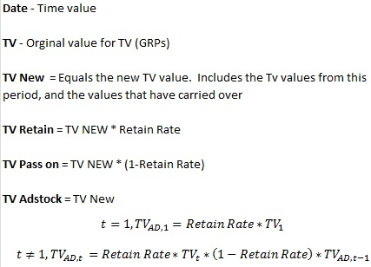
Date | TV | TV New | TV Retain | TV Pass on | TV Adstock
2013-01-01 | 55 | 55.00 | 49.50 | 5.50 | 49.50 | Retain Rate
2013-01-02 | 37 | 42.50 | 38.25 | 4.25 | 38.25 | 90%
2013-01-03 | 23 | 27.25 | 24.53 | 2.73 | 24.53
2013-01-04 | 64 | 66.73 | 60.05 | 6.67 | 60.05
2013-01-05 | 66 | 72.67 | 65.41 | 7.27 | 65.41
2013-01-06 | 37 | 44.27 | 39.84 | 4.43 | 39.84
2013-01-07 | 14 | 18.43 | 16.58 | 1.84 | 16.58
2013-01-08 | 9 | 10.84 | 9.76 | 1.08 | 9.76
2013-01-09 | 31 | 32.08 | 28.88 | 3.21 | 28.88
2013-01-10 | 0 | 3.21 | 2.89 | 0.32 | 2.89
2013-01-11 | 0 | 0.32 | 0.29 | 0.03 | 0.29
2013-01-12 | 0 | 0.03 | 0.03 | 0.00 | 0.03
2013-01-13 | 0 | 0.00 | 0.00 | 0.00 | 0.00
2013-01-14 | 0 | 0.00 | 0.00 | 0.00 | 0.00
2013-01-15 | 34 | 34.00 | 30.60 | 3.40 | 30.60

TV GRP vs TV Adstock Over Time

